PBMC_5_Terminal
gene | avg_logFC
HIST1H1E | 0.5467417559 | Chao Yang et al, Nature Comm, 2019
WDR74 | 0.53147790931
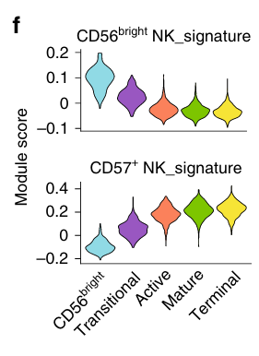
HIST1H1D | 0.47322300316
CX3CR1 | 0.46227953891 |  | Creat That kind of graph?
SNORD3A | 0.43449214615
TMEM107 | 0.40071930997
HIST2H2BE | 0.39855446514
SPON2 | 0.34572855727
HIST1H1C | 0.34198904629
LAIR2 | 0.33015236904
RNU12 | 0.32515664489
HIST1H2BK | 0.30716584173
CD38 | 0.30419349196
FCRL6 | 0.28995218892
SNORD3D | 0.27926993585
HAVCR2 | 0.27684144635
GIMAP4 | 0.27103804727
GIMAP7 | 0.26724741928
DDIT4 | 0.26605920104
CLIC3 | 0.2641366573
GSAP | 0.25999668911
NKTR | 0.25897614517
GZMB | 0.258070912
HLA-DRB1 | -0.25289083986
SDR42E2 | -0.25365877941
TRA2B | -0.25383368295
GADD45B | -0.25512397024
SNHG8 | -0.25542520525
CD52 | -0.2558124483
TSC22D3 | -0.26165619573
TCF7 | -0.26166760635
IFNG | -0.26438598404
VIM | -0.27061274993
HSPA5 | -0.27224206322
AC092580.4 | -0.27507807575
CCNL1 | -0.28006348872
CD74 | -0.28316928185
XCL2 | -0.30994650151
CD69 | -0.31514599268
DUSP1 | -0.33089722449
ILF3-AS1 | -0.33441070304
CXCR4 | -0.33765575284
IFRD1 | -0.37092739669
IER2 | -0.40970218009
ZFP36 | -0.41158146885
LTB | -0.42728587352
CD44 | -0.43525481322
BTG2 | -0.4357296299
SELL | -0.43665477051
PMAIP1 | -0.44023837463
NR4A2 | -0.44712932488
FOSB | -0.46172295473
PPP1R15A | -0.47723353148
XCL1 | -0.49344456541
JUN | -0.72208257563
JUNB | -0.72495473061
GZMK | -0.73065660174
FOS | -0.89771447573
NFKBIA | -0.92500766187

